OFFER
CHAMPION BOXER 2PACK FW21 TO TAKE ALL

PHOTOS | MODEL | S | M | L | XL | TOT PCS | RETIAL
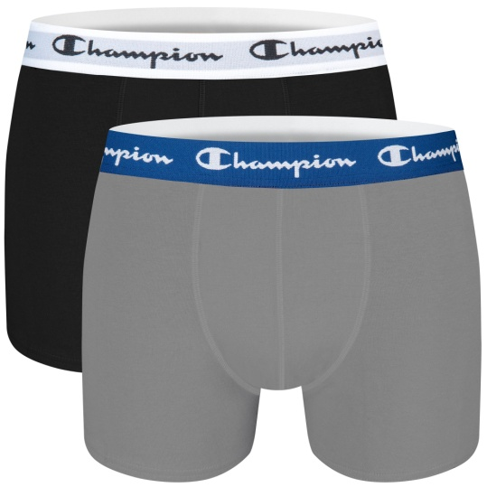 | AY20BI4.8MD | 0 | 765 | 0 | 0 | 765 | € 14.99
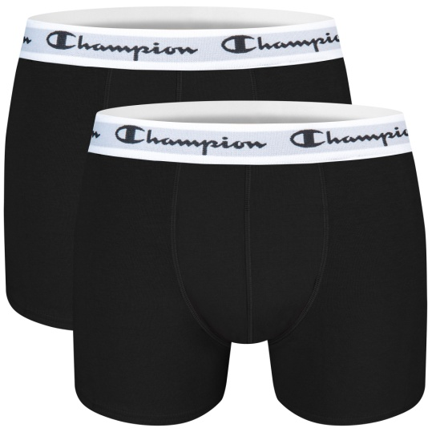 | AY20BI4.9NY | 6 | 338 | 675 | 180 | 1,199 | € 14.99
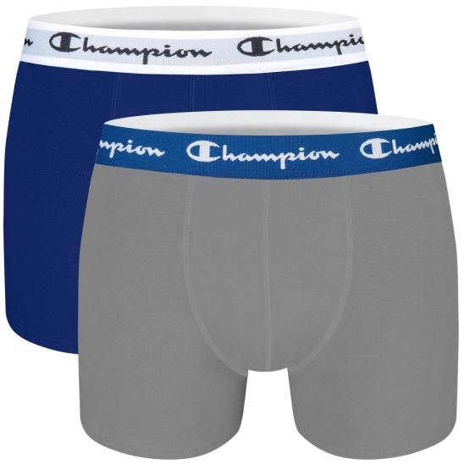 | AY20BI4.A46 | 23 | 0 | 0 | 0 | 23 | € 14.99
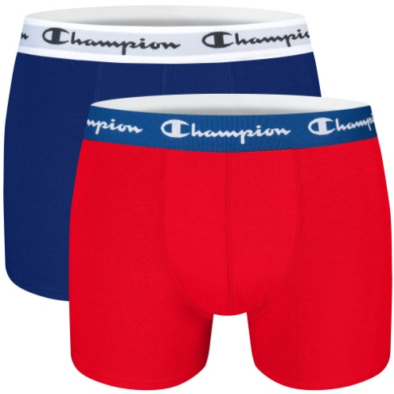 | AY20BI4.A6H | 410 | 765 | 675 | 23 | 1,873 | € 14.99
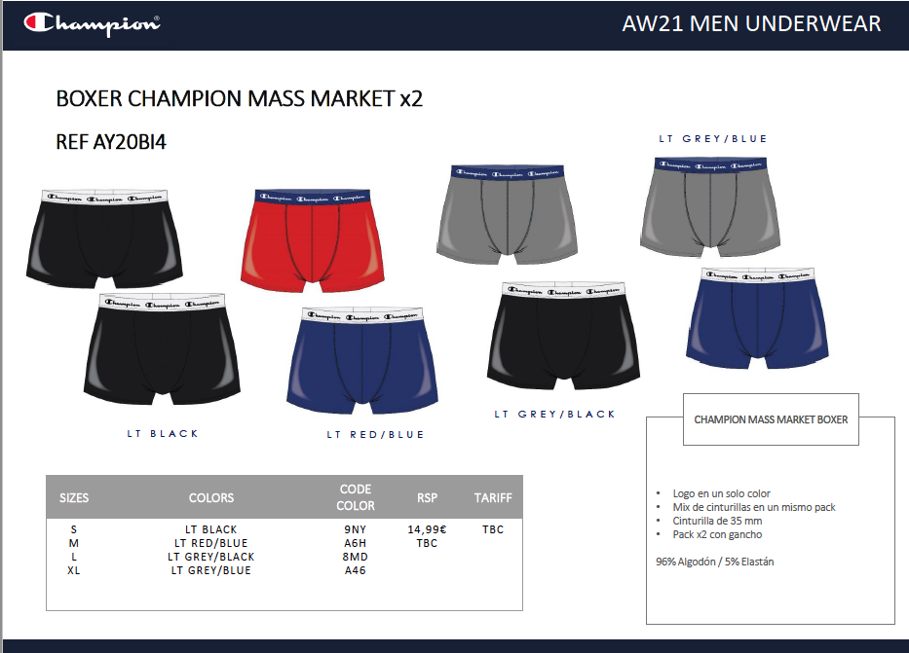
 |  |  |  |  |  | 3,860

